Traceability
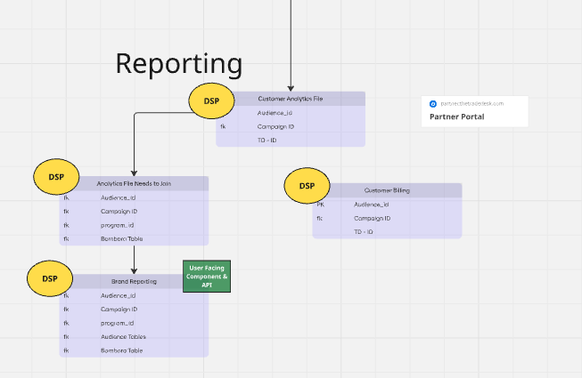
 | https://miro.com/app/board/uXjVIkjtAqk=/?userEmail=nate.williams@bounteous.com&track=true&utm_source=notification&utm_medium=email&utm_campaign=add-to-board&utm_content=go-to-board&lid=6e2oe7utvsa4

 |  |  |  | Direct Dependency Management
Feature Mapping | Work Unit Type | Name | Units | D/S Dep (Tables + UI) | U/S Dep (Tables + UI) | Tot Dep | Check
1.1 CSV Upload & Ingestion | UI/Screen | Audience Import | 1 | 1 | 0 | 1 | 1.1 CSV Upload & Ingestion
1.3 Audience Field-Mapping Service | UI/Screen | Audience Field Mapping Service | 1 | 3 | 2 | 5 | 1.3 Audience Field-Mapping Service
1.2 Audience Builder | UI/Screen | Audience Builder | 1 | 3 | 2 | 5 | 1.2 Audience Builder
1.1 CSV Upload & Ingestion | Table/Integration | Audience Import | 1 | 0 | 0 | 0 | 1.1 CSV Upload & Ingestion
1.3 Audience Field-Mapping Service | Table/Integration | Audience Field Mapping Service | 1 | 3 | 2 | 5 | 1.3 Audience Field-Mapping Service
1.2 Audience Builder | Table/Integration | Account-Based Audience Config (JSON) | 1 | 1 | 1 | 2 | 1.2 Audience Builder
1.2 Audience Builder | Table/Integration | People-Based (JSON) | 1 | 1 | 1 | 2 | 1.2 Audience Builder
1.2 Audience Builder | Table/Integration | Audience Builder | 1 | 1 | 2 | 3 | 1.2 Audience Builder
4.1 File Ingestion Service | Table/Integration | Bombora (S3) | 1 | 1 | 0 | 1 | 4.1 File Ingestion Service
GAP - Sree to reconcile | Table/Integration | Integrate (Report/Org/Address) | 1 | 1 | 0 | 1 | #N/A
2.1 Program Hierarchy | UI/Screen | Programs | 1 | 2 | 1 | 3 | 2.1 Program Hierarchy
2.2 Campaign Configuration | UI/Screen | Campaigns | 1 | 3 | 1 | 4 | 2.2 Campaign Configuration
2.6 Campaign Metadata Enrichment | UI/Screen | Display Campaigns | 1 | 2 | 2 | 4 | 2.6 Campaign Metadata Enrichment
2.3 Line Item Configuration | UI/Screen | Display Line Item | 1 | 0 | 2 | 2 | 2.3 Line Item Configuration
2.1 Program Hierarchy | Table/Integration | Programs | 1 | 2 | 1 | 3 | 2.1 Program Hierarchy
2.2 Campaign Configuration | Table/Integration | Campaigns | 1 | 3 | 1 | 4 | 2.2 Campaign Configuration
2.6 Campaign Metadata Enrichment | Table/Integration | Display Campaigns | 1 | 2 | 2 | 4 | 2.6 Campaign Metadata Enrichment
2.3 Line Item Configuration | Table/Integration | Display Line Item | 1 | 0 | 2 | 2 | 2.3 Line Item Configuration
GAP - Sree to reconcile | Table/Integration | Customer - Organization | 1 | 1 | 1 | 2 | #N/A
4.8 3x Daily Sync | Table/Integration | Salesforce Account | 1 | 1 | 1 | 2 | 4.8 3x Daily Sync
4.8 3x Daily Sync | Table/Integration | Salesforce Opportunities | 1 | 4 | 1 | 5 | 4.8 3x Daily Sync
4.8 3x Daily Sync | Table/Integration | Salesforce Opportunity Cases | 1 | 0 | 1 | 1 | 4.8 3x Daily Sync
4.8 3x Daily Sync | Table/Integration | Salesforce Opportunity Product | 1 | 0 | 1 | 1 | 4.8 3x Daily Sync
4.8 3x Daily Sync | Table/Integration | Salesforce Opportunity Line Item | 1 | 1 | 1 | 2 | 4.8 3x Daily Sync
4.5 TTD REDS File Ingestion | Table/Integration | TTD REDS S3: Campaigns | 1 | 1 | 1 | 2 | 4.5 TTD REDS File Ingestion
4.5 TTD REDS File Ingestion | Table/Integration | TradeDesk Ad Group | 1 | 1 | 1 | 2 | 4.5 TTD REDS File Ingestion
11.1 Open API Endpoint for Integrate Campaign Sync | Table/Integration | Integrate Source | 1 | 0 | 1 | 1 | 11.1 Open API Endpoint for Integrate Campaign Sync
11.1 Open API Endpoint for Integrate Campaign Sync | Table/Integration | Integrate Campaign | 1 | 0 | 1 | 1 | 11.1 Open API Endpoint for Integrate Campaign Sync
11.1 Open API Endpoint for Integrate Campaign Sync | Table/Integration | Integrate Customer/Name | 1 | 1 | 1 | 2 | 11.1 Open API Endpoint for Integrate Campaign Sync
2.5 Forecast Generation Engine | UI/Screen | Forecasts | 1 | 2 | 3 | 5 | 2.5 Forecast Generation Engine
4.6 UID2 Identity Sync & Audience Export | Table/Integration | TTD Forecasts API | 1 | 1 | 1 | 2 | 4.6 UID2 Identity Sync & Audience Export
4.3 Audience Expansion API | Table/Integration | TTD Audience | 1 | 1 | 0 | 1 | 4.3 Audience Expansion API
4.2 Taxonomy Mapping Engine | Table/Integration | TTD Taxonomy Mapping API | 1 | 0 | 0 | 0 | 4.2 Taxonomy Mapping Engine
4.4 Campaign Sync API | Table/Integration | TTD Campaign Sync API | 1 | 0 | 0 | 0 | 4.4 Campaign Sync API
4.6 UID2 Identity Sync & Audience Export | Table/Integration | TTD Audience | 1 | 0 | 0 | 0 | 4.6 UID2 Identity Sync & Audience Export
4.7 TTD Advertiser API Key Management | Table/Integration | TTD Advertiser | 1 | 0 | 0 | 0 | 4.7 TTD Advertiser API Key Management
3.1 Reporting Tables | Table/Integration | Customer Analytics File | 1 | 1 | 3 | 4 | 3.1 Reporting Tables
3.1 Reporting Tables | Table/Integration | Analytics File Needs to Join | 1 | 1 | 4 | 5 | 3.1 Reporting Tables
3.1 Reporting Tables | Table/Integration | Brand Reporting | 1 | 1 | 5 | 6 | 3.1 Reporting Tables
3.1 Reporting Tables | Table/Integration | Customer Billing | 1 | 1 | 3 | 4 | 3.1 Reporting Tables
3.1 Reporting Tables | Table/Integration | Reference/Dim: Audience | 1 | 1 | 1 | 2 | 3.1 Reporting Tables
3.1 Reporting Tables | Table/Integration | Reference/Dim: Salesforce Hierarchy | 3 | 3 | 3 | 6 | 3.1 Reporting Tables
3.2 Metabase Embed (UI) | UI/Screen | Embedded Reporting | 1 | 0 | 4 | 4 | 3.2 Metabase Embed (UI)
5.1 Basic User Onboarding Flow | UI/Screen | Onboarding Workflow | 1 | 0 | 2 | 2 | 5.1 Basic User Onboarding Flow
6.1 Performance Summary Cards | UI/Screen | Performace Reporting | 1 | 0 | 2 | 2 | 6.1 Performance Summary Cards
6.2 Insight Tags & Annotations | UI/Screen | Insight Reporting | 1 | 0 | 2 | 2 | 6.2 Insight Tags & Annotations
6.3 Optimization Suggestion Engine | UI/Screen | Campaign Optimization Reporting | 1 | 0 | 2 | 2 | 6.3 Optimization Suggestion Engine
6.1 Performance Summary Cards | Table/Integration | Performace Reporting | 1 | 2 | 2 | 4 | 6.1 Performance Summary Cards
6.2 Insight Tags & Annotations | Table/Integration | Insight Reporting | 1 | 2 | 2 | 4 | 6.2 Insight Tags & Annotations
6.3 Optimization Suggestion Engine | Table/Integration | Campaign Optimization Reporting | 1 | 2 | 2 | 4 | 6.3 Optimization Suggestion Engine
7.1 Audience Versioning & Rollback | Table/Integration | Audiences: Change Tracking | 1 | 1 | 1 | 2 | 7.1 Audience Versioning & Rollback
7.2 Data Export & API Access | Table/Integration | Data Export/API Integration (Customers) | 5 | 5 | 0 | 5 | 7.2 Data Export & API Access
7.4 Field Mapping Engine | UI/Screen | Field Mapping Engine | 1 | 1 | 1 | 2 | #N/A
7.4 Field Mapping Engine | Table/Integration | Field Mapping Engine | 1 | 1 | 1 | 2 | #N/A
8.1 Comprehensive Audit Trail (UI) | UI/Screen | Comprehensive Audit Log | 1 | 30 | 1 | 31 | 8.1 Comprehensive Audit Trail (UI)
8.2 User Audit Logging | Table/Integration | Comprehensive Audit Log | 1 | 30 | 1 | 31 | 8.2 User Audit Logging
10.3 Cross-Org Content Syndication Rules | UI/Screen | Content Syndication Campaign | 1 | 1 | 2 | 3 | 10.3 Cross-Org Content Syndication Rules
10.3 Cross-Org Content Syndication Rules | UI/Screen | CS Line Item | 1 | 2 | 2 | 4 | 10.3 Cross-Org Content Syndication Rules
10.3 Cross-Org Content Syndication Rules | UI/Screen | Campaign Bids | 1 | 1 | 1 | 2 | 10.3 Cross-Org Content Syndication Rules
10.3 Cross-Org Content Syndication Rules | Table/Integration | Content Syndication Campaign | 1 | 1 | 2 | 3 | 10.3 Cross-Org Content Syndication Rules
10.3 Cross-Org Content Syndication Rules | Table/Integration | CS Line Item | 1 | 2 | 2 | 4 | 10.3 Cross-Org Content Syndication Rules
10.3 Cross-Org Content Syndication Rules | Table/Integration | Campaign Bids | 1 | 1 | 1 | 2 | 10.3 Cross-Org Content Syndication Rules
10.1 Seller Asset Listing & Management | UI/Screen | Marketplace Bidding Portal | 1 | 1 | 1 | 2 | 10.1 Seller Asset Listing & Management
10.4 Marketplace-Level Reporting Dashboard | UI/Screen | Marketplace Bidding Portal | 1 | 1 | 1 | 2 | 10.4 Marketplace-Level Reporting Dashboard
10.3 Cross-Org Content Syndication Rules | UI/Screen | Marketplace Bidding Portal | 1 | 1 | 1 | 2 | 10.3 Cross-Org Content Syndication Rules
10.2 Buyer View of Marketplace | UI/Screen | Marketplace Bidding Portal | 1 | 1 | 1 | 2 | 10.2 Buyer View of Marketplace
10.1 Seller Asset Listing & Management | Table/Integration | Marketplace Bidding Portal | 1 | 1 | 1 | 2 | 10.1 Seller Asset Listing & Management
10.4 Marketplace-Level Reporting Dashboard | Table/Integration | Marketplace Bidding Portal | 1 | 1 | 1 | 2 | 10.4 Marketplace-Level Reporting Dashboard
10.3 Cross-Org Content Syndication Rules | Table/Integration | Marketplace Bidding Portal | 1 | 1 | 1 | 2 | 10.3 Cross-Org Content Syndication Rules
10.2 Buyer View of Marketplace | Table/Integration | Marketplace Bidding Portal | 1 | 1 | 1 | 2 | 10.2 Buyer View of Marketplace
13.1 Org Management UI | UI/Screen | Org Management | 1 | 1 | 1 | 2 | 13.1 Org Management UI
13.2 Super Admin (Internal Only) | UI/Screen | Roles & Permissions Assignment | 1 | 1 | 1 | 2 | 13.2 Super Admin (Internal Only)
13.2 Super Admin (Internal Only) | UI/Screen | Standard Roles & Permissions Config (Features) | 0 | 1 | 1 | 2 | 13.2 Super Admin (Internal Only)
13.1 Org Management UI | Table/Integration | Org Management / Recon | 1 | 1 | 1 | 2 | 13.1 Org Management UI
13.2 Super Admin (Internal Only) | Table/Integration | Roles & Permissions Assignment | 1 | 1 | 1 | 2 | 13.2 Super Admin (Internal Only)
13.2 Super Admin (Internal Only) | Table/Integration | Standard Roles & Permissions Config (Features) | 1 | 1 | 1 | 2 | 13.2 Super Admin (Internal Only)

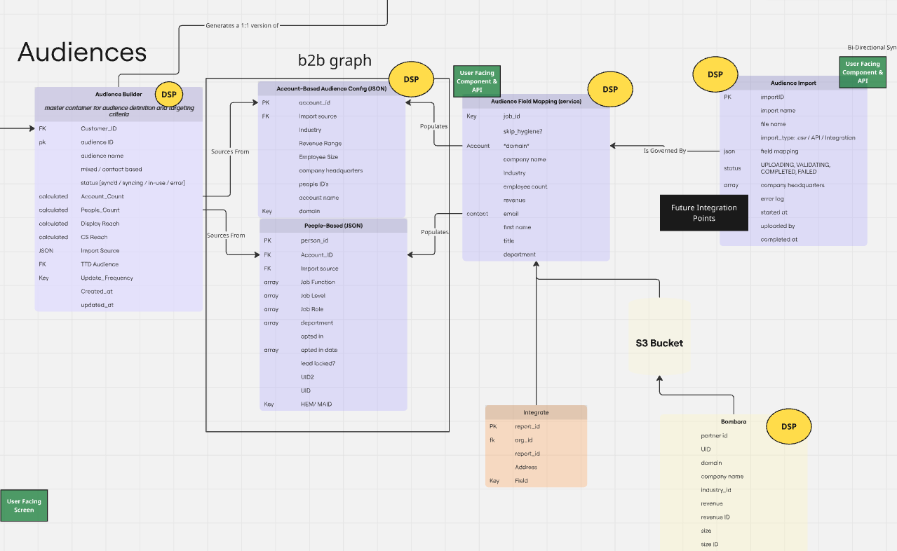
 |  |  |  |  |  | 0 | #N/A
 | Audience |  |  |  |  | 0 | #N/A
 |  |  |  |  |  | 0 | #N/A
 |  |  |  |  |  | 0 | #N/A
 |  |  |  |  |  |  | #N/A
 |  |  |  |  |  |  | #N/A
 |  |  |  |  |  |  | #N/A
 |  |  |  |  |  |  | #N/A
 |  |  |  |  |  |  | #N/A

 | Campaign Orchestration
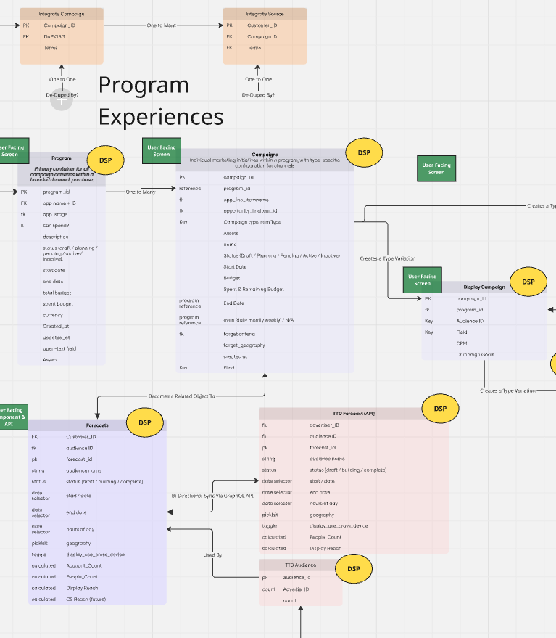
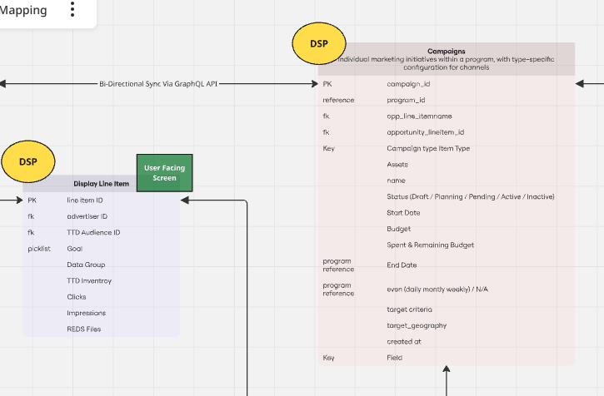

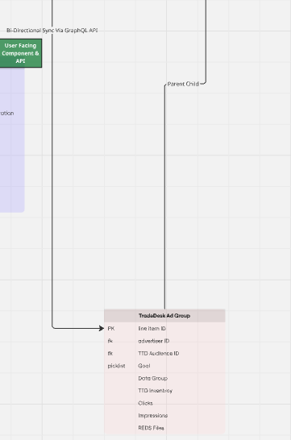

 | Attribution & Reporting

